GRI 201 (Economic Performance)
GRI 201 - Economic Performance
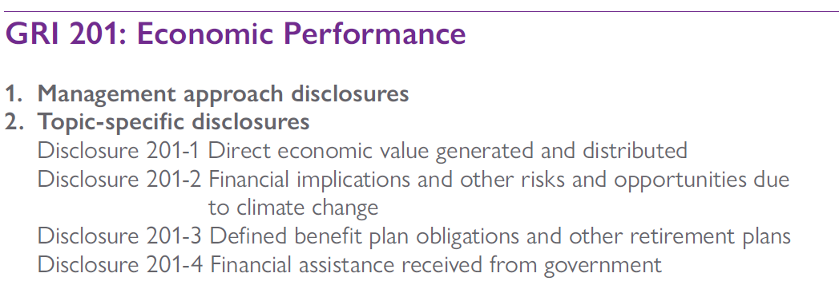

GRI 201-1 | 2022
Direct economic value generated and distributed | Disclosure
Direct economic value generated and distributed (EVG&D) on an accruals basis, including the basic components for the organization’s global operations as listed below. If data are presented on a cash basis, report the justification for this decision in addition to reporting the following basic components: | not reported
i. Direct economic value generated: revenues; | not reported
ii. Economic value distributed: operating costs, employee wages and benefits, payments to providers of capital, payments to government by country, and community investments; | not reported
iii. Economic value retained: ‘direct economic value generated’ less ‘economic value distributed’. | not reported
b. Where significant, report EVG&D separately at country, regional, or market levels, and the criteria used for defining significance | not reported

2.1 When compiling the information specified in Disclosure 201-1, the reporting organization shall, if applicable, compile the EVG&D from data in the organization’s audited financial or profit and loss (P&L) statement, or its internally audited management accounts.

GRI 201-2 | 2022
Financial implications and other risks and opportunities due to climate change | Disclosure
Risks and opportunities posed by climate change that have the potential to generate substantive changes in operations, revenue, or expenditure, including: | not reported
i. a description of the risk or opportunity and its classification as either physical, regulatory, or other; | not reported
ii. a description of the impact associated with the risk or opportunity; | not reported
iii. the financial implications of the risk or opportunity before action is taken; | not reported
iv. the methods used to manage the risk or opportunity; | not reported
v. the costs of actions taken to manage the risk or opportunity | not reported

2.2 When compiling the information specified in Disclosure 201-2, if the reporting organization does not have a system in place to calculate the financial implications or costs, or to make revenue projections, it shall report its plans and timeline to develop the necessary systems.
2.3 When compiling the information specified in Disclosure 201-2, the reporting organization should report the following additional characteristics for the identified risks and opportunities:
2.3.1 A description of the risk or opportunity driver, such as a particular piece of legislation, or a physical driver, such as water scarcity;
2.3.2 The projected time frame in which the risk or opportunity is expected to have substantive financial implications;
2.3.3 Direct and indirect impacts (whether the impact directly affects the organization, or indirectly affects the organization via its value chain);
2.3.4 The potential impacts generally, including increased or decreased:
2.3.4.1 capital and operational costs;
2.3.4.2 demand for products and services;
2.3.4.3 capital availability and investment opportunities;
2.3.5 Likelihood (the probability of the impact on the organization);
2.3.6 Magnitude of impact (if occurring, the extent to which the impact affects the organization financially).

GRI 201-3 | 2022
Defined benefit plan obligations and other retirement plans | Disclosure
a. If the plan’s liabilities are met by the organization’s general resources, the estimated value of those liabilities. | not reported
b. If a separate fund exists to pay the plan’s pension liabilities: | not reported
i. the extent to which the scheme’s liabilities are estimated to be covered by the assets that have been set aside to meet them; | not reported
ii. the basis on which that estimate has been arrived at; | not reported
iii. when that estimate was made. | not reported
c. If a fund set up to pay the plan’s pension liabilities is not fully covered, explain the strategy, if any, adopted by the employer to work towards full coverage, and the timescale, if any, by which the employer hopes to achieve full coverage. | not reported
d. Percentage of salary contributed by employee or employer. | not reported
e. Level of participation in retirement plans, such as participation in mandatory or voluntary schemes, regional, or country-based schemes, or those with financial impact. | not reported

2.4 When compiling the information specified in Disclosure 201-3, the reporting organization should:
2.4.1 calculate the information in accordance with the regulations and methods for relevant jurisdictions, and report aggregated totals;
2.4.2 use the same consolidation techniques as those applied in preparing the financial accounts of the organization.

GRI 201-4 | 2022
Financial assistance received from government | Disclosure

Total monetary value of financial assistance received by the organization from any government | None (Canada & US)
Tax relief and tax credits | not reported
Subsidies | None (Canada & US)
investment grants, research and development grants, and other relevant types of grants | None (Canada & US)
Awards | None (Canada & US)
Royalty holidays | None (Canada & US)
Financial assistance from Export Credit Agencies (ECAs) | None (Canada & US)
Financial incentives | None (Canada & US)
Other financial benefits received or receivable from any government for any operation | None (Canada & US)
b. The information in 201-4-a by country.b.
c. Whether, and the extent to which, any government is present in the shareholding structure. | Not a shareholder

When compiling the information specified in Disclosure 201-4, the reporting organization shall identify the monetary value of financial assistance received from government through consistent application of generally accepted accounting principles.

GRI 204 (Procurement)
GRI 204 - Procurement Practices


GRI 204-1 | 2022
Proportion of spending on local suppliers | Disclosure
a. Percentage of the procurement budget used for significant locations of operation that is spent on suppliers local to that operation (such as percentage of products and services purchased locally). | not reported
b. The organization’s geographical definition of ‘local’. | not reported
c. The definition used for ‘significant locations of operation’. | not reported

2.1 When compiling the information specified in Disclosure 204-1, the reporting organization should calculate the percentages based on invoices or commitments made during the reporting period, i.e., using accruals accounting.

GRI 205 (Anti Corruption)
GRI 205 - Anti Corruption

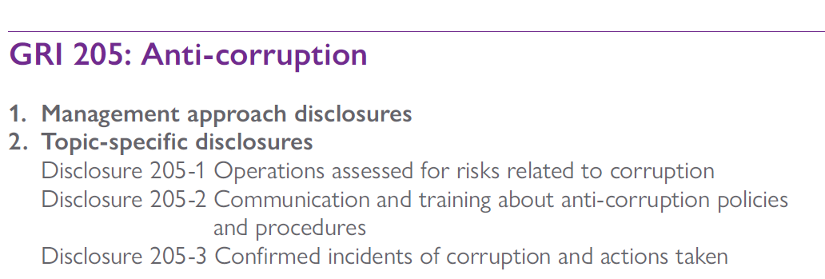

GRI 205-1 | 2022
Operations assessed for risks related to corruption | Disclosure
Percentage of operations assessed for risks related to corruption. | 100%
Total number of operations assessed for risks related to corruption. | 2
Total number of operations | 2
Significant risks related to corruption identified through the risk assessment. | None

GRI 205-2 | 2022
Communication and training about anti-corruption policies and procedures | Disclosure
a. Total number and percentage of governance body members that the organization’s anti-corruption policies and procedures have been communicated to, broken down by region. | 100%
b. Total number and percentage of employees that the organization’s anti-corruption policies and procedures have been communicated to, broken down by employee category and region. | 100%
c. Total number and percentage of business partners that the organization’s anti-corruption policies and procedures have been communicated to, broken down by type of business partner and region. Describe if the organization’s anti-corruption policies and procedures have been communicated to any other persons or organizations. | Anti-corruption clause added to the Company’s Professional Services Agreement with key vendors in 2021
d. Total number and percentage of governance body members that have received training on anti-corruption, broken down by region. | not reported
e. Total number and percentage of employees that have received training on anti-corruption, broken down by employee category and region. | Annual training for management and supervisors dealing with contractors. Canada: 6 employees (67% of Canadian employees) / US: 9 employees (26% of US employees)

2.1 When compiling the information specified in Disclosure 205-2, the reporting organization should:
2.1.1 draw from the information used for Disclosure 405-1 in GRI 405: Diversity and Equal Opportunity to identify:
2.1.1.1 the governance bodies that exist within the organization, such as the board of directors, management committee, or similar body for non-corporate organizations;
2.1.1.2 the total number of individuals and/or employees who comprise these governance bodies;
2.1.1.3 the total number of employees in each employee category, excluding governance body members;
2.1.2 estimate the total number of business partners.

GRI 205-3 | 2022
Confirmed incidents of corruption and actions taken | Disclosure
a. Total number and nature of confirmed incidents of corruption. | None
b. Total number of confirmed incidents in which employees were dismissed or disciplined for corruption. | None
c. Total number of confirmed incidents when contracts with business partners were terminated or not renewed due to violations related to corruption. | None
d. Public legal cases regarding corruption brought against the organization or its employees during the reporting period and the outcomes of such cases. | None

