Tables & Graphs
GRI 102-8

a. Total number of employees by employment contract (permanent and temporary), by gender.
Note - Updated with 2022 numbers |  |  |  |  |  | Notes: Employees as of Dec 31, 2022
 | Permanent |  | Temporary
 | Male | Female | Male | Female
Employees | 30 | 14 | 0 | 0

b. Total number of employees by employment contract (permanent and temporary), by region.
Note - Updated with 2022 numbers
 | Permanent |  | Temporary
 | Male | Female | Male | Female
Head Office (Vancouver) - Canada | 3 | 4 | 0 | 0
Kamloops (British Columbia) – Canada | 1 | 0 | 0 | 0
Denver (Colorado) - United States | 1 | 0 | 0 | 0
DeLamar Site (Jordan Valley, Idaho) - United States | 17 | 8 | 0 | 0
Boise (Idaho) - United States | 4 | 2 | 0 | 0
Post Falls (Idaho) - United States | 1 | 0 | 0 | 0
Bellingham (Washington - United States | 1 | 0 | 0 | 0
Reno (Nevada) - United States | 1 | 0 | 0 | 0
Salt Lake City (Utah) - United States | 1 | 0 | 0 | 0

c. Total number of employees by employment type (full-time and part-time), by gender.

 | Full-Time |  | Part-Time |  | Total
 | Male | Female | Male | Female
Head Office (Vancouver) - Canada | 2 | 4 | 1 | 0 | 7
Kamloops (British Columbia) – Canada | 1 | 0 | 0 | 0 | 1
Denver (Colorado) - United States | 1 | 0 | 0 | 0 | 1
DeLamar Site (Jordan Valley, Idaho) - United States | 17 | 5 | 0 | 3 | 25
Boise (Idaho) - United States | 4 | 2 | 0 | 0 | 6
Post Falls (Idaho) - United States | 0 | 0 | 1 | 0 | 1
Bellingham (Washington - United States | 1 | 0 | 0 | 0 | 1
Reno (Nevada) - United States | 1 | 0 | 0 | 0 | 1
Salt Lake City (Utah) - United States | 1 | 0 | 0 | 0 | 1 | Male | Female | Male | Female
Total | 28 | 11 | 2 | 3 | 44 | 30 | 14 | 68% | 32%

GRI 102-16

· Our Values
o Integrity
§ Doing the right thing and holding ourselves accountable.
§ We take ownership in our actions, every day, and are committed to transparency, courageous honesty, and ethical behavior.
§ Integrity is in our name. It means we commit ourselves to doing right by others – building trust in our operations and behaviors through transparency & accountability.
o Care
§ Acting with a sense of responsibility for our employees, neighbors, local communities, our shared environment, and the world around us.
§ We look out for one another, treat each other fairly and with respect, and ensure a safe return home for our people. We are all part of something bigger.
§ Being good people is doing good business.
o Innovation
§ Leading a new generation of mining companies, guided by our conviction to be creative and find new solutions to traditional challenges.
§ We demand a diversity of perspectives to unlock value across the mining industry, and we are continuously improving to deliver beyond what is expected of us.
§ Raise the bar.

GRI 102-22

iv. number of each individual’s other significant positions and commitments, and the nature of the commitments;
Note - Updated as of Dec 2022
Name | Full-Time Position |  |  |  | Other Boards
Stephen de Jong | CEO of VRIFY Technology |  |  |  | Sun Peak Metals Corp.
David Awram | Senior EVP of Sandstorm Gold Ltd. |  |  |  | Sandstorm Gold Ltd. , Sun Peak Metals Corp., Pucara Gold Ltd.
Timo Jauristo | Mining professional / Corporate Director
George Salamis | President, CEO of Integra Resources Corp. |  |  |  | Contact Gold Corp., Newcore Gold Ltd., Edgewater Exploration
Anna Ladd-Kruger | Mining professional / Corporate Director |  |  |  | Nova Minerals Limited, SilverCrest Metals Inc., and Sherritt International Corporation
C.L. “Butch” Otter | Businessman / Former Governor |  |  |  | Electra Battery Materials Corporation
Carolyn Clark Loder | Mining professional / Corporate Director |  |  |  | K2 Gold Corp.

vii. competencies relating to economic, environmental, and social topics;
Data as per 2022 MIC
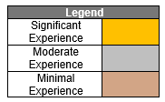
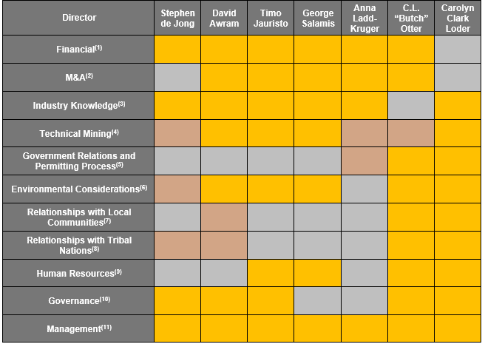

Notes:
(1) Ability to understand: (i) financial statements; (ii) financial controls and measures; (iii) capital markets; and (iv) financing options.
(2) Understanding of: (i) capital markets in friendly and unfriendly transactions; (ii) complexity of integration post-business continuation; and (iii) general legal requirements in mergers and acquisitions (“M&A”).
(3) Understanding of the mining industry globally and the associated risks (including price and currency volatility, future growth, global supply, capital access, social license to operate and productivity).
(4) Understanding of: (i) exploration activities; (ii) geology; and (iii) project development.
(5) Understanding of: (i) legislative and decision-making process of governments; and (ii) experience in dealing with governments (policy making, lobbying, etc.) and (iii) understanding of permitting process for a mining project.
(6) Understanding of: (i) environmental risks in the mining industry; (ii) government regulations with respect to the environment and iii) potential risks and impacts of climate change on the Corporation’s mining project.
(7) Understanding of and experience in community relations and stakeholder involvement.
(8) Understanding of and experience with tribal nations.
(9) Ability to: (i) review management structure for small-to-mid size organizations; (ii) develop/assess/monitor remuneration packages (salary, benefits, long-term and short-term incentives); and (iii) understand how to motivate people.
(10) Understanding of: (i) the requirements/process for oversight of Management; (ii) ethical conduct and responsibilities; (iii) various stakeholder requirements; (iv) commitment of directorship; and (v) evolving trends with respect to governance of public companies.
(11) Ability to: (i) plan, operate and control various activities of a business; (ii) experience as a senior officer; and (iii) lead growth.

GRI 102-38

Table 1 - Cash compensation: Salary + Cash Bonus
Note - Updated as of Dec 2022
All numbers in US$
 | Canada | US | Combined | Comment
Highest paid individual | CEO | COO | CEO
Compensation of highest paid individual | $445,834 | $334,785 | $445,834 | Cash compensation: annual salary + cash bonus
Annual total compensation for all employees (excluding the highest-paid individual) | $973,497 | $2,927,499 | $4,235,781 | Cash compensation: annual salary + cash bonus
Median annual total compensation for all employees (excluding the highest-paid individual) | $116,470 | $85,878 | $97,386
Ratio of the annual total compensation for the organization’s highest-paid individual in each country of significant operations to the median annual total compensation for all employees (excluding the highest-paid individual) in the same country. | 3.8x | 3.9x | 4.6x
Previous Year Ratio | 4.1x | 4.2x | 5.4x
Increase/Decrease | (7%) | (7%) | (15%)

Table 2 - Total direct compensation: Salary + Cash Bonus + RSUs + Options
Note - Updated as of Dec 2022
All numbers in US$
 | Canada | US | Combined | Comment
Highest paid individual | CEO | COO | CEO
Compensation of highest paid individual | $525,409 | $374,572 | $525,409 | Total compensation: annual salary + cash bonus + RSUs + Options
Annual total compensation for all employees (excluding the highest-paid individual) | $1,121,347 | $3,052,936 | $4,548,855 | Total compensation: annual salary + cash bonus + RSUs + Options
Median annual total compensation for all employees (excluding the highest-paid individual) | $132,158 | $87,601 | $100,829
Ratio of the annual total compensation for the organization’s highest-paid individual in each country of significant operations to the median annual total compensation for all employees (excluding the highest-paid individual) in the same country. | 4.0x | 4.3x | 5.2x
Previous Year Ratio | 4.4x | 5.0x | 6.7x
Increase/Decrease | (10%) | (14%) | (22%)

GRI 102-39

Table 1 - Cash compensation: Salary + Cash Bonus
Note - Updated as of Dec 2022
 | Canada | US | Combined
Highest paid individual | CEO | COO | CEO
2022 Ratio of the annual total compensation for the organization’s highest-paid individual in each country of significant operations to the median annual total compensation for all employees (excluding the highest-paid individual) in the same country. | 3.8x | 3.9x | 4.6x
2021 Ratio of the annual total compensation for the organization’s highest-paid individual in each country of significant operations to the median annual total compensation for all employees (excluding the highest-paid individual) in the same country. | 4.1x | 4.2x | 5.4x
Increase/Decrease vs Previous Year | (7%) | (7%) | (15%)

Table 2 - Total direct compensation: Salary + Cash Bonus + RSUs + Options
Note - Updated as of Dec 2022
 | Canada | US | Combined
Highest paid individual | CEO | COO | CEO
2022 Ratio of the annual total compensation for the organization’s highest-paid individual in each country of significant operations to the median annual total compensation for all employees (excluding the highest-paid individual) in the same country. | 4.0x | 4.3x | 5.2x
2021 Ratio of the annual total compensation for the organization’s highest-paid individual in each country of significant operations to the median annual total compensation for all employees (excluding the highest-paid individual) in the same country. | 4.4x | 5.0x | 6.7x
Increase/Decrease vs Previous Year | (10%) | (14%) | (22%)

GRI 102-(40-44)

GRI 102 Org Profile (1-13)
GRI 102-1 to GRI 102-13 - Organizational Profile

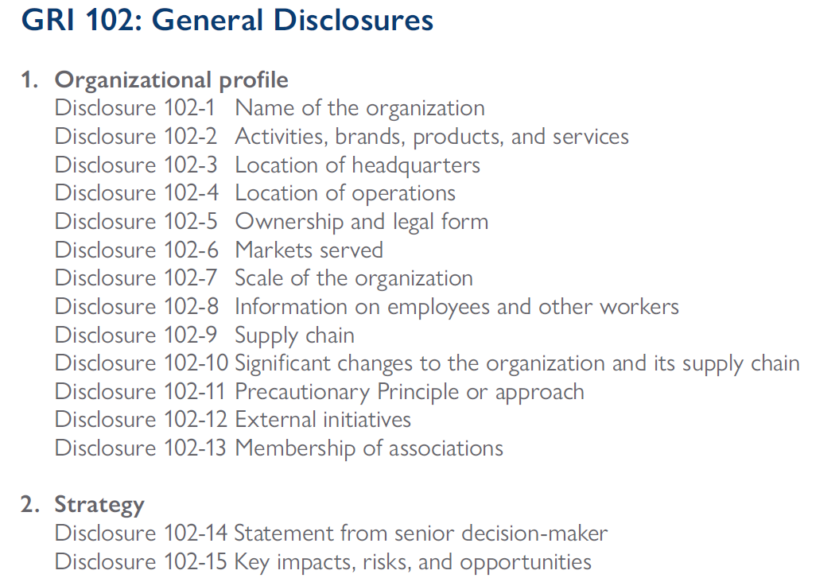

GRI 102-1 | 2022
Organization Profile | Disclosure
a. Name of the organization | Integra Resources Corp.

GRI 102-2 | 2022
Organization Profile | Disclosure
a. A description of the organization’s activities. | Integra Resources Corp. is a mineral resources company engaged in the acquisition, exploration and development of mineral properties in the Americas. The primary focus of the Company is the advancement of its DeLamar gold and silver project , consisting of the neighbouring DeLamar Deposit and Florida Mountain Deposit in the heart of the historic Owyhee County mining district in south western Idaho, United States.
b. Primary brands, products, and services, including an explanation of any products or services that are banned in certain markets. | Developing mining project. Precious Metals (Gold and Silver). The Company does not sell products or services that are the subject of stakeholder questions or public debate.

When compiling the information specified in Disclosure 102-2-b, the reporting organization should also explain whether it sells products or services that are the subject of stakeholder questions or public debate.

GRI 102-3 | 2022
Organization Profile | Disclosure
c. Location of the organization’s headquarters. | 1050-400 Burrard Street, Vancouver, British Columbia, Canada, V6C 3A6,

GRI 102-4 | 2022
Organization Profile | Disclosure
d. Number of countries where the organization operates, and the names of countries where it has significant operations and/or that are relevant to the topics covered in the report. | Two. Canada and United States

GRI 102-5 | 2022
Organization Profile | Disclosure
e. Nature of ownership and legal form. | Public company trading on the TSX-Venture Exchange under the symbol "ITR" and the NYSE American under the symbol “ITRG”. Corporation incorporated under the Business Corporations Act (British Columbia)

GRI 102-6 | 2022
Organization Profile | Disclosure
f. Markets served, including:
i. geographic locations where products and services are offered; | Developing a mining project in Idaho, United States
ii. sectors served; | Precious metals
iii. types of customers and beneficiaries. | Not applicable

GRI 102-7 | 2022
Scale of the organization | Disclosure
Total number of employees | As of December 31, 2022: 44 employees (39 Full-time and 5 part-time)
Total number of operations | 1 mining operation in Idaho 1 office in Boise, Idaho Head office in Vancouver, British Columbia, Canada
Net sales (for private sector organizations) or net revenues (for public sector organizations) | Nil$
Total capitalization (for private sector organizations) broken down in terms of debt and equity | Equity: US$50 MM (as of December 31, 2022) Debt: Nil$
Quantity of products or services provided | Not applicable

When compiling the information specified in Disclosure 102-7, the reporting organization should provide the following additional information:
1.2.1 Total assets;
1.2.2 Beneficial ownership, including the identity and percentage of ownership of the largest shareholders;
1.2.3 Breakdowns of:
1.2.3.1 net sales or net revenues by countries or regions that make up five percent or more of total revenues;
1.2.3.2 costs by countries or regions that make up five percent or more of total costs;
1.2.3.3 total number of employees by country or region.

GRI 102-8 | 2022
Information on employees and other workers | Disclosure
The reporting organization shall report the following information:
a. Total number of employees by employment contract (permanent and temporary), by gender. | See table 102-8
b. Total number of employees by employment contract (permanent and temporary), by region. | See table 102-8
c. Total number of employees by employment type (full-time and part-time), by gender. | See table 102-8
d. Whether a significant portion of the organization’s activities are performed by workers who are not employees. If applicable, a description of the nature and scale of work performed by workers who are not employees. | not reported
e. Any significant variations in the numbers reported in Disclosures 102-8-a, 102-8-b, and 102-8-c (such as seasonal variations in the tourism or agricultural industries). | not reported
f. An explanation of how the data have been compiled, including any assumptions made. | not reported

1.3 When compiling the information specified in Disclosure 102-8, the reporting organization should:
1.3.1 express employee numbers as either head count or Full Time Equivalent (FTE), with the chosen approach stated and applied consistently;
1.3.2 identify the contract type and full-time and part-time status of employees based on the definitions under the national laws of the country where they are based;
1.3.3 use numbers as at the end of the reporting period, unless there has been a material change during the reporting period;
1.3.4 combine country statistics to calculate global statistics, and disregard differences in legal definitions. Although what constitutes a type of contract and employment type varies between countries, the global figure should still reflect the relationships under law.

GRI 102-9 | 2022
Supply chain | Disclosure
Supply chain elements as they relate to the organization’s activities | not reported
Supply chain elements as they relate to primary brands | not reported
Supply chain elements as they relate to products | not reported
Supply chain elements as they relate to services | not reported

GRI 102-10 | 2022
Significant changes to the organization and its supply chain | Disclosure
Changes in the location of, or changes in, operations, including facility openings, closings, and expansions | none for the reporting period
Changes in the share capital structure and other capital formation, maintenance, and alteration operations (for private sector organizations) | The Company issued 17,593,477 shares in 2022.
Changes in the location of suppliers, the structure of the supply chain, or relationships with suppliers, including selection and termination | not reported

GRI 102-11 | 2022
Precautionary Principle or approach | Disclosure
Whether and how the organization applies the Precautionary Principle or approach | not reported

GRI 102-12 | 2022
External initiatives | Disclosure
A list of externally-developed economic, environmental and social charters, principles, or other initiatives to which the organization subscribes, or which it endorses. | not reported

1.4 When compiling the information specified in Disclosure 102-12, the reporting organization should:
1.4.1 include the date of adoption, the countries or operations where applied, and the range of stakeholders involved in the development and governance of these initiatives;
1.4.2 differentiate between non-binding, voluntary initiatives and those with which the organization has an obligation to comply.

GRI 102-13 | 2022
Membership of associations | Disclosure
A list of the main memberships of industry or other associations, and national or international advocacy organizations. | • AMEBC – Association for Mineral Exploration • IACI – Idaho Association of Commerce and Industry • SME – Society for Mining, Metallurgy, and Exploration • Women in Mining • Idaho Mining Association • YMP – Young Mining Professionals • AEMA – American Exploration & Mining Association • Women’s Mining Coalition • Associated Taxpayers of Idaho • PDAC – Prospectors & Developers Association of Canada • Denver Gold Group • Clean Tech Alliance

1.5 When compiling the information specified in Disclosure 102-13, the reporting organization should include memberships maintained at the organizational level in associations or organizations in which it holds a position on the governance body, participates in projects or committees, provides substantive funding beyond routine membership dues, or views its membership as strategic.

GRI 102 Governance (18-39)
GRI 102-18 to GRI 102-39- Governance
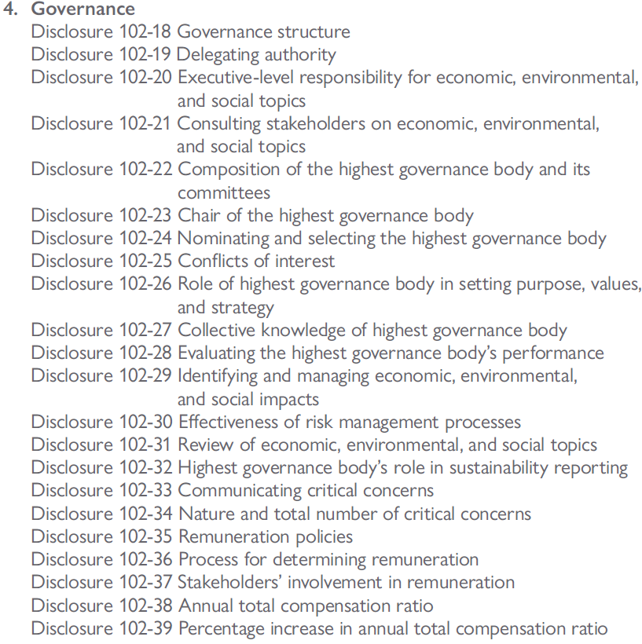

GRI 102-18 | 2022
Governance structure | Disclosure
a. Governance structure of the organization, including committees of the highest governance body. | Highest Governance Body: Board of Directors Standing committees of the Board of Directors after December 16th, 2022 are: Audit Committee Compensation Committee Nomination and Corporate Governance Committee Technical and Safety Committee Enivronment, Social, Governance Committee
b. Committees responsible for decision-making on economic, environmental, and social topics | same as above

GRI 102-19 | 2022
Delegating authority | Disclosure
Process for delegating authority for economic, environmental, and social topics from the highest governance body to senior executives and other employees. | not reported

GRI 102-20 | 2022
Executive-level responsibility for economic, environmental, and social topics | Disclosure
a. Whether the organization has appointed an executive-level position or positions with responsibility for economic, environmental, and social topics. | The Company has a CEO, CFO, COO, VP Exploration, EVP Corp Dev and VP Corporate Affairs and Sustainability. All have responsibility for economic, environmental, and social topics. The CFO has a direct oversight over governance, human resources and economic matters, the COO has a direct oversight over environmental matters and the VP Corporate Affairs and Sustainability has a direct oversight over community/stakeholders matters.
b. Whether post holders report directly to the highest governance body | The CEO reports directly to the Board. The CFO, COO, VP Exploration, EVP Corp Dev and VP Corporate Affairs and Sustainability have regular interactions with the Board, but direct report to the CEO

GRI 102-21 | 2022
Consulting stakeholders on economic, environmental, and social topics | Disclosure
a. Processes for consultation between stakeholders and the highest governance body on economic, environmental, and social topics. | The VP Corporate Affairs and Sustainability oversees all consultation between the Company and Stakeholders. The VP Corporate Affairs and Sustainability reports to the CEO, who reports directly to the Board. The VP Corporate Affairs & Sustainability also regularly interacts with the Board on these matters.
b. If consultation is delegated, describe to whom it is delegated and how the resulting feedback is provided to the highest governance body. | not reported

GRI 102-22 | 2022
Composition of the highest governance body and its committees | Disclosure
Composition of the highest governance body and its committees by:
i. executive or non-executive; | 6 non-executive directors 1 executive director
ii. independence; | 6 independent directors 1 non-independent director
iii. tenure on the governance body; | Tenure between 69 months and 27 months
iv. number of each individual’s other significant positions and commitments, and the nature of the commitments; | See table 102-22
v. gender; | 2 women (29%) 5 men (71%)
vi. membership of under-represented social groups; | 1 Board member of visible minority
vii. competencies relating to economic, environmental, and social topics; | See table 102-22
viii. stakeholder representation. | None

GRI 102-23 | 2022
Chair of the highest governance body | Disclosure
a. Whether the chair of the highest governance body is also an executive officer in the organization | The Chair of the Board is not an executive of the Company, and is considered Independent
b. If the chair is also an executive officer, describe his or her function within the organization’s management and the reasons for this arrangement | n/a

GRI 102-24 | 2022
Nominating and selecting the highest governance body | Disclosure
a. Nomination and selection processes for the highest governance body and its committees | Annual review of required Board skills in order to identify if any skill gaps. Candidates selected by Nomination Committee and approved by the Board. Annual approval of Directors at the Company's AGM
b. Criteria used for nominating and selecting highest governance body members, including whether and how:
stakeholders (including shareholders) are involved; | No
diversity is considered; | Yes - as per the Company's Diversity Policy
independence is considered; | Yes. The Company's preference is to have independent directors. All standing committees are comprised of at least 3 independent directors
expertise and experience relating to economic, environmental, and social topics are considered. | Annual review of skills matrix against directors expertise and experience helps the Board to identify skill gaps

GRI 102-25 | 2022
Conflicts of interest | Disclosure
a. Processes for the highest governance body to ensure conflicts of interest are avoided and managed | Full disclosure in Corporation's public documents
b. Whether conflicts of interest are disclosed to stakeholders, including, as a minimum:
i. Cross-board membership; | Disclosed in Management Information Circular
ii. Cross-shareholding with suppliers and other stakeholders; | Not applicable
iii. Existence of controlling shareholder; | Disclosed in Management Information Circular
iv. Related party disclosures | Disclosed in Quarterly Financials and Management Discussion & Analysis

4.1 When compiling the information specified in Disclosure 102-25, the reporting organization should align the definition of controlling shareholder to the definition used for the purpose of the organization’s consolidated financial statements or equivalent documents.

GRI 102-26 | 2022
Role of highest governance body in setting purpose, values, and strategy | Disclosure
Highest governance body’s and senior executives’ roles in the development, approval, and updating of the organization’s purpose, value or mission statements, strategies, policies, and goals related to economic, environmental, and social topics | not reported

GRI 102-27 | 2022
Collective knowledge of highest governance body | Disclosure
Measures taken to develop and enhance the highest governance body’s collective knowledge of economic, environmental, and social topics | Annual ongoing board education on relevant topics

GRI 102-28 | 2022
Evaluating the highest governance body’s performance | Disclosure
a. Processes for evaluating the highest governance body’s performance with respect to governance of economic, environmental, and social topics. | Annual Board Assessment (Written Questionnaire + Interview with Chairman)
b. Whether such evaluation is independent or not, and its frequency. | Performed annually, on a confidential basis
c. Whether such evaluation is a self-assessment. | Yes
d. Actions taken in response to evaluation of the highest governance body’s performance with respect to governance of economic, environmental, and social topics, including, as a minimum, changes in membership and organizational practice | not reported

GRI 102-29 | 2022
Identifying and managing economic, environmental, and social impacts | Disclosure
a. Highest governance body’s role in identifying and managing economic, environmental, and social topics and their impacts, risks, and opportunities – including its role in the implementation of due diligence processes | not reported
b. Whether stakeholder consultation is used to support the highest governance body’s identification and management of economic, environmental, and social topics and their impacts, risks, and opportunities | not reported

GRI 102-30 | 2022
Effectiveness of risk management processes | Disclosure
Highest governance body’s role in reviewing the effectiveness of the organization’s risk management processes for economic, environmental, and social topics | Annual review and discussion of Management's risk assessment

GRI 102-31 | 2022
Review of economic, environmental, and social topics | Disclosure
Frequency of the highest governance body’s review of economic, environmental, and social topics and their impacts, risks, and opportunities | The Board meets a minimum of 4 times per year, economic, environmental, and social topics are discussed at all meetings.

GRI 102-32 | 2022
Highest governance body’s role in sustainability reporting | Disclosure
The highest committee or position that formally reviews and approves the organization’s sustainability report and ensures that all material topics are covered | Board of Directors

GRI 102-33 | 2022
Communicating critical concerns | Disclosure
Process for communicating critical concerns to the highest governance body | Refer to Whistle Blower Policy

GRI 102-34 | 2022
Nature and total number of critical concerns | Disclosure
Total number of concerns | None
Nature of concerns | not applicable
Mechanism(s) used to address and resolve critical concerns. | not applicable

GRI 102-35 | 2022
Remuneration policies | Disclosure
a. Remuneration policies for the highest governance body and senior executives for the following types of remuneration:
i. Fixed pay and variable pay, including performance-based pay, equity-based pay, bonuses, and deferred or vested shares; | Board of Director: Monthly retainer, Chair retainer and Annual Option/DSU Grant Executives: Base salary, performanced-based annual cash bonus (Short-term incentive), annual grant of options and RSUs (long-term incentives) Discussion on Long-term performance: Meaningful portion of total compensation from long-term incentives such as options and RSUs to align executives/directors with long-term value creation
ii. Sign-on bonuses or recruitment incentive payments; | No Sign-on bonuses or recruitment incentive payments
iii. Termination payments; | No CoC for Directors. Executives: 2x Salary + 2x Bonus. Other employees CoC between 0x to 1x Salary + Bonus
iv. Clawbacks; | Yes- Clawback Policy in place (approved in 2021)
v. Retirement benefits, including the difference between benefit schemes and contribution rates for the highest governance body, senior executives, and all other employees. | None
b. How performance criteria in the remuneration policies relate to the highest governance body’s and senior executives’ objectives for economic, environmental, and social topics. | ESG included in executives' KPIs/objectives

4.2 When compiling the information specified in Disclosure 102-35, the reporting organization should, if performance-related pay is used, describe:
4.2.1 how remuneration and incentive-related pay for senior executives are designed to reward longer-term performance;
4.2.2 how performance criteria in the remuneration policies relate to the highest governance body’s and senior executives’ objectives for economic, environmental, and social topics for the reporting period and the period ahead.
4.3 When compiling the information specified in Disclosure 102-35, the reporting organization should, if termination payments are used, explain whether:
4.3.1 notice periods for governance body members and senior executives are different from those for other employees;
4.3.2 termination payments for governance body members and senior executives are different from those for other employees;
4.3.3 any payments other than those related to the notice period are paid to departing governance body members and senior executives;
4.3.4 any mitigation clauses are included in the termination arrangements.

GRI 102-36 | 2022
Process for determining remuneration | Disclosure
Process for determining remuneration.
b. Whether remuneration consultants are involved in determining remuneration and whether they are independent of management. | Consultants were not engaged in 2022 to complete the review. However, remuneration consultants were engaged in 2020 to complete a review of executive and director compensation.
c. Any other relationships that the remuneration consultants have with the organization | None

GRI 102-37 | 2022
Stakeholders’ involvement in remuneration | Disclosure
How stakeholders’ views are sought and taken into account regarding remuneration | The Company does not have a "Say on Pay" policy at this time. However, Officers and Directors total compensation, compensation strategy, and renumeration process are disclosued to shareholders in the Company's Management Information Circular, and shareholders have the oppurnity to vote FOR or AGAINST the chair of the compensation committeee
If applicable, the results of votes on remuneration policies and proposals | n/a

GRI 102-38 | 2022
Annual total compensation ratio | Disclosure
Compensation of highest paid individual | See tables 102-38 (Table 1 = Cash Compensation, Table 2 = Total Compensation)
Annual total compensation for all employees (excluding the highest-paid individual) | See tables 102-38 (Table 1 = Cash Compensation, Table 2 = Total Compensation)
Median annual total compensation for all employees (excluding the highest-paid individual) | See tables 102-38 (Table 1 = Cash Compensation, Table 2 = Total Compensation)
Ratio of the annual total compensation for the organization’s highest-paid individual in each country of significant operations to the median annual total compensation for all employees (excluding the highest-paid individual) in the same country. | See tables 102-38 (Table 1 = Cash Compensation, Table 2 = Total Compensation)

When compiling the information specified in Disclosure 102-38, the reporting organization shall, for each country of significant operations:
4.4.1 identify the highest-paid individual for the reporting period, as defined by total compensation; CEO (Canada) / COO (US)
4.4.2 calculate the median annual total compensation for all employees, except the highest- paid individual;
4.4.3 calculate the ratio of the annual total compensation of the highest-paid individual to the median annual total compensation for all employees.
4.5 When compiling the information specified in Disclosure 102-38, the reporting organization should:
4.5.1 for each country of significant operations, define and report the composition of the annual total compensation for the highest-paid individual and for all employees as follows:
4.5.1.1 List types of compensation included in the calculation; Used total direct compensation: Annual salary/Wage + Cash bonus + RSUs + Options
4.5.1.2 Specify whether full-time and part-time employees are included in this calculation; Full-time employees only
4.5.1.3 Specify whether full-time equivalent pay rates are used for each part-time employee in this calculation; Not applicable
4.5.1.4 Specify which operations or countries are included, if the organization chooses to not consolidate this ratio for the entire organization; Canada and US
4.5.2 depending on the organization’s remuneration policies and availability of data, consider the following components for the calculation:
4.5.2.1 Base salary: guaranteed, short-term, and non-variable cash compensation;
4.5.2.2 Cash compensation: sum of base salary + cash allowances + bonuses + commissions + cash profit-sharing + other forms of variable cash payments;
4.5.2.3 Direct compensation: sum of total cash compensation + total fair value of all annual long- term incentives, such as stock option awards, restricted stock shares or units, performance stock shares or units, phantom stock shares, stock appreciation rights, and long-term cahs awards.

GRI 102-39 | 2022
Percentage increase in annual total compensation ratio | Disclosure

Ratio of the percentage increase in annual total compensation for the organization’s highest-paid individual in each country of significant operations to the median percentage increase in annual total compensation for all employees (excluding the highest-paid individual) in the same country. | See tables 102-39

4.6 When compiling the information specified in Disclosure 102-39, the reporting organization shall, for each country of significant operations:
4.6.1 identify the highest-paid individual for the reporting period, as defined by total compensation; CEO (Canada) and COO (United States)
4.6.2 calculate the percentage increase in the highest-paid individual’s compensation from prior period to the reporting period;
4.6.3 calculate median annual total compensation for all employees except the highest-paid individual;
4.6.4 calculate the percentage increase of the median annual total compensation from the previous reporting period to the current reporting period;
4.6.5 calculate the ratio of the annual total compensation percentage increase of the highest-paid individual to the median annual total compensation percentage increase for all employees.
4.7 When compiling the information specified in Disclosure 102-39, the reporting organization should:
4.7.1 for each country of significant operations, define and report the composition of the annual total compensation for the highest-paid individual and for all employees as follows:
4.7.1.1 List types of compensation included in the calculation; Annual wage and annual cash bonus
4.7.1.2 Specify whether full-time and part-time employees are included in this calculation; Full time only
4.7.1.3 Specify whether full-time equivalent pay rates are used for each part-time employee in this calculation;
4.7.1.4 Specify which operations or countries are included, if the organization chooses to not consolidate this ratio for the entire organization;
4.7.2 depending on the organization’s remuneration policies and availability of data, consider the following components for the calculation:
4.7.2.1 Base salary: guaranteed, short-term, and non-variable cash compensation;
4.7.2.2 Cash compensation: sum of base salary + cash allowances + bonuses + commissions + cash profit-sharing + other forms of variable cash payments;
4.7.2.3 Direct compensation: sum of total cash compensation + total fair value of all annual long-term incentives, such as stock option awards, restricted stock shares or units, performance stock shares or units, phantom stock shares, stock appreciation rights, and long-term cash awards.

GRI 102 Reporting (45-56)
GRI 102-45 to GRI 102-56- Reporting Practices
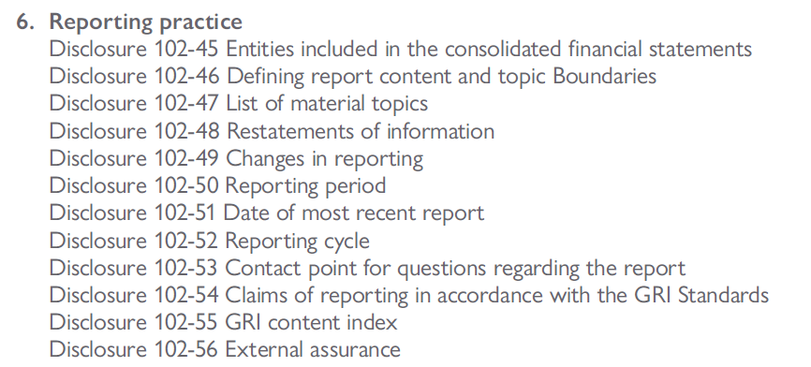

GRI 102-45 | 2022
Entities included in the consolidated financial statements | Disclosure
A list of all entities included in the organization’s consolidated financial statements or equivalent documents | Integra Resources Corp. and its subsidiaries: Integra Resources Holdings Canada Inc, Integra Holdings US Inc and DeLamar Mining Company
Whether any entity included in the organization’s consolidated financial statements or equivalent documents is not covered by the report | All entities have been covered in thie report

GRI 102-46 | 2022
Defining report content and topic Boundaries | Disclosure
An explanation of the process for defining the report content and the topic Boundaries | Our ESG report focuses on subjects that are the most material – of greatest relevance and interest – to our stakeholders and business. Within the context of GRI’s Principles for Determining Report Content, this means taking into account the context of sustainability, stakeholder inclusiveness, materiality, and completeness. Extensive stakeholder consultation has taken place to date, and based on feedback garnered through this process we have identified material topics that will be covered comprehensively in this report. Additional thought and consideration has been put towards topics deemed material by our shareholders, and by the emerging trends in the mineral sector in general. Lastly, important input and feedback has been sought internally from our managers and team as to what we as the managers of our operations know to be material. Our intent is to be comprehensive and forthright about our performance, so that we may be measured by and known for our performance in these material areas. If you have feedback about a material area that you believe should be incorporated into our next report, please send this feedback to community@integradelamar.com .
An explanation of how the organization has implemented the Reporting Principles for defining report content | not reported

When compiling the information specified in Disclosure 102-46, the reporting organization shall include an explanation of how the Materiality principle was applied to identify material topics, including any assumptions made.
6.2 When compiling the information specified in Disclosure 102-46, the reporting organization should include an explanation of:
6.2.1 the steps taken to define the content of the report and to define the topic Boundaries;
6.2.2 at which steps in the process each of the Reporting Principles for defining report content was applied;
6.2.3 assumptions and subjective judgements made in the process;
6.2.4 challenges the organization encountered when applying the Reporting Principles for defining report content.

GRI 102-47 | 2022
List of material topics | Disclosure
A list of the material topics identified in the process for defining report content | 1. Local Communities 2. Tailings and Waste 3. Economic Performance 4. OHS 5. Emergency Preparedness 6. Water Quality and Effluent 7. Energy 8. Local Employment 9. Employment Practices 10. Indigenous Rights 11. Indirect Economic Impacts 12. Non-discrimination and Equal Opportunity 13. Training and Education 14. Biodiversity 15. Training and Education 16. Public Policy 17. Emissions 18. Wildfire Risk & Mitigation 19. Climate Adaptation 20. Human Rights 21. Reclamation & Restoration 22. Closure Planning 23. Supplier Social Assessment 24. Supplier Environmental Assessment 25. Visual Impact 26. Rangeland Health

GRI 102-48 | 2022
Restatements of information | Disclosure
The effect of any restatements of information given in previous reports, and the reasons for such restatements. | N/A

GRI 102-49 | 2022
Changes in reporting | Disclosure
Significant changes from previous reporting periods in the list of material topics and topic Boundaries | N/A

GRI 102-50 | 2022
Reporting period | Disclosure
Reporting period for the information provided. | January 1, 2022, to December 31, 2022

GRI 102-51 | 2022
Date of most recent report | Disclosure
If applicable, the date of the most recent previous report | 2022-12-19

GRI 102-52 | 2022
Reporting cycle | Disclosure
Reporting cycle | From 2020 onward, annually

GRI 102-53 | 2022
Contact point for questions regarding the report | Disclosure
Contact point for questions regarding the report | mark@integraresources.com

GRI 102-54 | 2022
Claims of reporting in accordance with the GRI Standards | Disclosure
The claim made by the organization, if it has prepared a report in accordance with the GRI Standards, either:
i. ‘This report has been prepared in accordance with the GRI Standards: Core option’; | N/A
ii. ‘This report has been prepared in accordance with the GRI Standards: Comprehensive option’. | N/A

GRI 102-55 | 2022
GRI content index | Disclosure
a. The GRI content index, which specifies each of the GRI Standards used and lists all disclosures included in the report. | N/A
b. For each disclosure, the content index shall include:
i. the number of the disclosure (for disclosures covered by the GRI Standards); | N/A
ii. the page number(s) or URL(s) where the information can be found, either within | N/A
the report or in other published materials; | N/A
iii. if applicable, and where permitted, the reason(s) for omission when a required disclosure cannot be made. | N/A

6.3 When reporting the GRI content index as specified in Disclosure 102-55, the reporting organization shall:
6.3.1 include the words ‘GRI Content Index’ in the title;
6.3.2 present the complete GRI content index in one location;
6.3.3 include in the report a link or reference to the GRI content index, if it is not provided in the report itself;
6.3.4 for each GRI Standard used, include the title and publication year (e.g., GRI 102: General Disclosures 2016);
6.3.5 include any additional material topics reported on which are not covered by the GRI Standards, including page number(s) or URL(s) where the information can be found.
6.4 When compiling the information specified in Disclosure 102-55, the reporting organization should include in the GRI content index the title of each disclosure made (e.g., Name of the organization), in addition to the number (e.g., 102-1).

GRI 102-56 | 2022
External assurance | Disclosure
a. A description of the organization’s policy and current practice with regard to seeking external assurance for the report. | N/A
b. If the report has been externally assured:
i. A reference to the external assurance report, statements, or opinions. If not included in the assurance report accompanying the sustainability report, a description of what has and what has not been assured and on what basis, including the assurance standards used, the level of assurance obtained, and any limitations of the assurance process; | N/A
ii. The relationship between the organization and the assurance provider; | N/A
iii. Whether and how the highest governance body or senior executives are involved in seeking external assurance for the organization’s sustainability report | N/A

